Sample2
 |  | Observations
No | Classification | English | Bahasa Malaysia | BUs | Product Category | Sub Products
 |  | T&C
1 | Incorrect translation: possession of the Goods to the Owner at its address upon service on the Hirer of any notice or demand by the Owner for possession of the Goods – Pemunya setelah Pemunya menyampaikan kepada Penyewa apa-apa notis atau tuntutan bagi mengambil balik Barangan | Upon the Owner becoming entitled to immediate possession of the Goods to deliver up possession of the Goods to the Owner at its address upon service on the Hirer of any notice or demand by the Owner for possession of the Goods; | apabila Pemunya peroleh hak mengambil balik Barangan serta-merta supaya dihantar-serah kepada Pemunya setelah Pemunya menyampaikan kepada Penyewa apa-apa notis atau tuntutan bagi mengambil balik Barangan | PFS | Auto Loan | 1. Industrial Hire Purchase
2 | Incorrect translation: Domestic Ringgit Borrowing – Peminjaman Domestik | Domestic Ringgit Borrowing | Peminjaman Domestik | PFS | Deposit | 1. Foreign Currency Current Account 2. Foreign Currency Fixed Deposit
3 | Incorrect translation: notwithstanding the following – walaupun | .....HLB may exercise at any time with prior notice to the Customer any right of set-off, combination or consolidation between any sums in any accounts held by HLB and any liabilities due to HLB or any right of forfeiture, retention or pledge over any sums held by HLB in accordance with and subject to the laws of Malaysia notwithstanding the following | .....HLB boleh menggunakan, pada bila-bila masa dengan memberi notis awal kepada Pelanggan, sebarang hak tolak selesai, penggabungan atau penyatuan antara sebarang jumlah wang dalam mana-mana akaun yang dipegang oleh HLB dan sebarang liabiliti terhutang kepada HLB atau sebarang hak perlucutan, pegangan atau sandaran ke atas apaapa jumlah wang yang dipegang oleh HLB selaras dengan dan tertakluk kepada undangundang Malaysia walaupun | PFS | Deposit | 1. Foreign Currency Current Account 2. Foreign Currency Fixed Deposit
4 | Incorrect translation: Minimum tenure - tempoh | Placement of a fixed deposit must be made with a minimum tenure of twelve (12) months | Perletakan deposit tetap adalah untuk tempoh dua belas (12) bulan | PFS | Deposit | 1. Flexi FD
5 | Incorrect translation: in Clause 15 herein – dalam Perjanjian | ...seven (7) days prior written notice is delivered to the Hirer in the manner prescribed in Clause 15 herein | ...syarat notis awal tujuh (7) hari secara bertulis diserahkan kepada Penyewa mengikut cara yang dinyatakan dalam Perjanjian | PFS | Auto Loan | 1. Auto Loan
6 | Incorrect translation: domestic Debit Card scheme – skim pembayaran kad | “MyDebit” means a domestic Debit Card scheme that allows the Cardholder to make payment for goods and/or services in-store, online store or withdraw cash at the participating Authorised Merchant by debiting directly from the Cardholder’s Retail Purchase Account | "MyDebit" bermaksud suatu skim pembayaran kad yang membenarkan Pemegang Kad untuk membuat bayaran bagi pembelian barangan dan/atau perkhidmatan dengan mendebit secara langsung dari Akaun Pembelian Runcit Pemegang Kad. | PFS | Debit Card | 1. Debit Card
7 | Incorrect translation: non-exclusive jurisdiction of the Malaysian Courts – bidang kuasa eksklusif mahkamah-mahkamah Malaysia | ...the Customer agrees that where any actions or proceedings are initiated and taken in Malaysia it shall submit to the non-exclusive jurisdiction of the Malaysian Courts in all matters connected with its obligations and liabilities under or arising out of the Account and these Terms and Conditions. | Pelanggan bersetuju, apabila apa-apa tindakan atau prosiding diambil di Malaysia, pihaknya akan akur kepada bidang kuasa eksklusif mahkamah-mahkamah Malaysia dalam segala hal yang berkait dengan obligasi dan liabilitinya di bawah atau berbangkit daripada Akaun dan Terma dan Syarat ini | PFS | Deposit | 1. Basic Current Account 2. Basis Savings Account 3. Current Account 4. Foreign Currency Current Account 5. Foreign Currency Fixed Deposit 6. HLB Wallet Account 7. Hong Leong Harvest Savings Account 8. Hong Leong Junior Savings Account 9. Hong Leong 3-in-1 Junior Savings Account 10. Hong Leong One Account 11. Hong Leong Pay&Save Account 12. Hong Leong Senior Savers Account 13. Hong Leong Senior Savers Flexi Fixed Deposit 14. Hong Leong Smartlink Account 15. Hong Leong Top Yield Account 16. Savings Account 17. Fixed Deposit 18. Flexi FD 19. Junior Fixed Deposit 20. e-Fixed Deposit 21. Premium Fixed Deposit
8 | Incorrect translation: locally and overseas – di dalam dan luar negeri | Retail Purchase Transaction” means transaction effected on the Debit Card at the authorized merchant where the Debit Card can be accepted for payment locally and overseas including online purchases… | Transaksi Belian Runcit" bermaksud transaksi yang dilakukan pada Kad Debit di pedagang yang sah di mana Kad Debit diterima untuk pembayaran di dalam dan luar negeri termasuk pembelian dalam talian… | PFS | Deposit | 1. Basic Current Account 2. Basis Savings Account 3. Current Account 4. Foreign Currency Current Account 5. Foreign Currency Fixed Deposit 6. HLB Wallet Account 7. Hong Leong Harvest Savings Account 8. Hong Leong Junior Savings Account 9. Hong Leong 3-in-1 Junior Savings Account 10. Hong Leong One Account 11. Hong Leong Pay&Save Account 12. Hong Leong Senior Savers Account 13. Hong Leong Senior Savers Flexi Fixed Deposit 14. Hong Leong Smartlink Account 15. Hong Leong Top Yield Account 16. Savings Account 17. Fixed Deposit 18. Flexi FD 19. Junior Fixed Deposit 20. e-Fixed Deposit 21. Premium Fixed Deposit
9 | Missing information: Terma dan Syarat bagi Akaun Semasa dan Akaun Simpanan Hong Leong | ...General Terms and Conditions of Accounts for Deposits and Islamic Banking Deposits, Debit Card Terms and Conditions, Terms and Conditions… | ...Terma dan Syarat Am Akaun untuk Deposit dan Deposit Perbankan, Terma dan Syarat bagi Akaun Semasa dan Akaun Simpanan Hong Leong, Terma dan Syarat Kad Debit Hong Leong… | PFS | Deposit | 1. HLB Wallet Account
10 | Missing information: As stated. | Additional Terms and Conditions for Skim Rumah Pertamaku 2019 and Skim Rumah PertamaKu 2019 (step-up) (My First Home Scheme) (a) This package shall not be eligible for redraw or top up loan. (b) Notwithstanding anything contained in the Letter of Offer, you may commence repayment of both principal and interest during the 5-year Step-up period after the Facility has fully disbursed by notifying the Bank of your intention to do so | Not stated | PFS | Mortgage | 1. Hong Leong Housing Loan 2. Hong Leong MortgagePlus Housing Loan & Hong Leong MortgagePlus Shop Loan 3. Hong Leong Shop Loan 4. Hong Leong Special Housing Loan 5. HLB Solar Plus Loan 6. Housing Guarantee Scheme by SJKP 7. HLB Mortgage Overdraft 8. Business Mortgage
11 | Missing information: As stated. | HLB shall be entitled to terminate this Agreement by giving the Hirer one (1) month’s written notice upon the occurrence of any of the following events: (a) if the Annual Fee is in arrears and unpaid for one month after the due date; (b) there is any breach or non-observance or non-performance of any of the terms under this Agreement on the part of the Hirer. | Not stated | PFS | Safe Deposit Box | 1. Safe Deposit Box
12 | Missing information: As stated. | If the event specified under Clause 27(b) occurs and HLB has suspended the access to the Box, no further access to the Box shall be allowed until HLB receives written instructions from all the Hirers or a party who has the lawful authority to give instructions in relation to the Box. | Not stated |  | Safe Deposit Box
13 | Missing information: in respect of the goods hereunder (“Goods”) and | (hereinafter called ‘the Owner’ which expression shall where the context so admits include its successors and assigns) in respect of the goods hereunder (“Goods”) and upon the terms and conditions | (kemudian dari ini disebut ‘Pemunya’ yang ungkapannya jika sesuai dengan konteks termasuk pengganti dan pemegang serah haknya) tertakluk kepada terma dan syarat | PFS | Auto Loan | 1. Auto Loan
14 | Missing information: 1. for or on account of any counterclaim or any deduction 2. Taxes | ...Tax payments/liabilities/obligations in connection therewith, without any set-off restriction or condition and without any deduction for or on account of any counterclaim or any deduction or withholding, apart from any Taxes which may be required under any law to be paid by the Hirer directly to any Appropriate Authority, which the Hirer shall remit directly to the Appropriate Authority | ...bayaran/lialibiliti/kawajipan cukai, tanpa kekangan atau syarat serta tanpa pemotongan atau penangguhan. Perkara ini tidak termasuk yang berlandaskan undang-undang yang perlu dibayar terus oleh Penyewa kepada badan yang sewajarnya. | PFS | Safe Deposit Box | 1. Safe Deposit Box
15 | Inconsistent information displayed: clause (e) – fasal 4(e) | On signing the Agreement the Hirer shall pay the Owner the Deposit specified in the Appendix (which shall include the Dealer's trade-in allowance if any) in consideration of the option to purchase contained in clause (e) hereof | Setelah menandatangani Perjanjian, Penyewa hendaklah membayar Deposit kepada Pemunya yang jumlahnya dinyatakan dalam Lampiran (termasuklah elaun tukar beli Peniaga Kereta, jika ada) sebagai pertimbangan opsyen beli yang terkandung dalam fasal 4 (e) Perjanjian ini | PFS | Auto Loan | 1. Industrial Hire Purchase
16 | Inconsistent information displayed: clause 1.45 – klausa 1 | “MCF Enabled Account” means the Account of the Cardholder where the MCF (as defined under Clause 1.45 herein) has been enabled, which may include a Retail Purchase Account. | “Akaun Diaktifkan MCF” bermaksud Akaun Pemegang Kad di mana MCF (seperti yang ditakrifkan dalam Klausa 1 di sini) telah diupayakan, yang mungkin termasuk akaun yang dipautkan ke Kad Debit. telah diaktifkan, yang mungkin termasuk Akaun Pembelian Runcit. | PFS | Debit Card | 1. Debit Card
17 | Confusing terms: material – matan Industry Practice: Maybank - perubahan penting CIMB - perubahan material RHB - perubahan memudaratkan yang ketara (material adverse change(s)) | 1. ... material change … 2. ... materially affect his/their solvency ... 3. ... any material respect 4. ... material ... 5. ... material adverse change ... 6. … materially incorrect … 7. Material Adverse Change ... | 1. ... perubahan matan … 2. ... secara matan menyentuh kesolvenannya ... 3. ... segenap segi matan 4. ... matan … 5. ... perubahan negatif yang matan … 6. … tidak betul dari segi matan … 8. Perubahan Negatif Yang Matan ... | PFS | 1. Deposit 2. Personal Loan | 1. Personal Loan 2. Basic Current Account 3. Basis Savings Account 4. Current Account 5. Foreign Currency Current Account 6. Foreign Currency Fixed Deposit 7. HLB Wallet Account 8. Hong Leong Harvest Savings Account 9. Hong Leong Junior Savings Account 10. Hong Leong 3-in-1 Junior Savings Account 11. Hong Leong One Account 12. Hong Leong Pay&Save Account 13. Hong Leong Senior Savers Account 14. Hong Leong Senior Savers Flexi Fixed Deposit 15. Hong Leong Smartlink Account 16. Hong Leong Top Yield Account 17. Savings Account 18. Fixed Deposit 19. Flexi FD 20. Junior Fixed Deposit 21. e-Fixed Deposit 22. Premium Fixed Deposit
 |  | PDS
18 | Missing information: As stated. | All residential property(ies) are required to be insured or takaful coverage obtained under houseowner policy(ies), whilst commercial and vacant property(ies) to be insured or covered under fire policy(ies). (a) You are to ensure that the property(ies) are adequately insured up to their full insurable value, against loss or damage by fire, lighting, tempest, floor, riot, civil commotion, malicious acts and strike and such other risk as the Bank may require; (b) You are to furnish a certified true copy of the policy or policies so bought/taken up with the Bank endorsed as loss payee/mortgagee together with evidence of premium/takaful payment/contribution payable under such policy or policies to the Bank. In the event that the Bank takes up the insurance or takaful coverage on your behalf, the Bank will debit the fire insurance premium/takaful contribution into your loan/financing account with prior written notice to you. | Not stated | PFS | Mortgage | 1. Hong Leong Housing Loan 2. Hong Leong Shop Loan 3. Business Mortgage
19 | Missing information: Other | Other Debit Card packages available | Pakej-pakej kad Debit yang disediakan | PFS | Debit Card | 1. Debit Card 2. Junior Debit Card
20 | Missing information: ...melainkan sekiranya wajib diambil disebabkan kriteria promosi seperti yang dinyatakan dalam Surat Tawaran | Mortgage Decreasing Term Assurance (MDTA)/Mortgage Reducing Term Takaful (MRTT)/Mortgage Level Term Assurance (MLTA) / Mortgage Level Term Takaful (MLTT) is optional. | Mortgage Decreasing Term Assurance (“MDTA”) /Takaful Bertempoh Gadai Janji Berkurangan (“MRTT”)/Mortgage Level Term Assurance(“MLTA”) / Takaful bertempoh Gadai Janji Bertahap (“MLTT”) adalah pilihan melainkan sekiranya wajib diambil disebabkan kriteria promosi seperti yang dinyatakan dalam Surat Tawaran. | PFS | Mortgage | 1. Hong Leong Housing Loan 2. Hong Leong Shop Loan 3. Business Mortgage * The attachement provided were individual mortgage PDS. The observation on Business mortgage PDS
21 | Missing information: ...issued by the insurer/takaful operator | the Bank has not received any notification from the insurance/takaful operator of your rejection and/or appeal of the letter of offer issued by the insurer/takaful operator | Bank tidak menerima apa-apa pemberitahuan daripada pengendali insuran/takaful berkenaan penolakan dan / atau rayuan surat tawaran anda; |  | Mortgage
22 | Inconsistent information displayed: MLTA/MLTT – MDTA/MRTT/MLTA/MLTT | For MLTA/MLTT, the Bank shall have received a copy of the Absolute Assignment duly executed by the person(s) to be covered in favour of the Bank as absolute assignee in respect of the assignment of benefit of the life insurance/takaful coverage of the person(s). | Bagi MDTA/MRTT/MLTA/MLTT, Bank akan menerima satu salinan Penyerahan Hak Mutlak yang telah dilaksanakan oleh orang yang dilindungi yang berpihak kepada Bank sebagai Pemegang Harta mutlak, berkaitan dengan perlindungan insurans/takaful orang yang berkenaan. |  | Mortgage
 |  | Agreement
23 | Missing information: per annum | The rate of interest per annum which is from time to time quoted by the Lender as its Base Lending Rate. | Kadar faedah yang dinyatakan dari semasa ke semasa oleh Pemberi Pinjaman sebagai Kadar Asas Standard. | PFS | Mortgage | 1. Hong Leong Housing Loan 2. Hong Leong MortgagePlus Housing Loan & Hong Leong MortgagePlus Shop Loan 3. Hong Leong Shop Loan 4. Hong Leong Special Housing Loan 5. HLB Solar Plus Loan 6. Housing Guarantee Scheme by SJKP 7. HLB Mortgage Overdraft 8. Business Mortgage
 |  | HLB/HLISB Websites
24 | Incorrect translation: Reduce it by up to 80% by using solar energy to power your home – Kini, anda boleh mengurangkan bil tersebut melalui penggunaan panel solar yang mesra alam. | Is your home’s electricity bill too high? Reduce it by up to 80% by using solar energy to power your home. With HLB Solar Plus Loan, we make it hassle-free for you to purchase and install solar panels on your completed or under construction landed property by our approved Solar Company Partners. | Adakah bil elektrik rumah anda terlalu tinggi? Kini, anda boleh mengurangkan bil tersebut melalui penggunaan panel solar yang mesra alam. Pinjaman Solar Plus HLB ini membolehkan pembelian dan pemasangan panel solar di kediaman anda yang masih dalam pembinaan atau siap bina melalui Rakan Syarikat Solar sah kami. | PFS | Mortgage | 1. HLB Solar Plus Loan
25 | Incorrect translation: 1. Residential Properties – Bukan Kediaman 2. Non-Residential Properties – Hartanah Kediaman 3. Landed Properties – Rumah Kediaman | 1. Residential properties only 2. Non-Residential properties only | 1. Hartanah Kediaman/Bukan Kediaman sahaja 2. Hartanah Kediaman/Bukan Kediaman sahaja | PFS | Mortgage | 1. Hong Leong Housing Loan 2. Hong Leong Shop Loan
26 | Incorrect translation: 1. Latest 6 months bank statements or saving passbook – Penyata bank kredit 3/6 bulan terkini 2. Latest Borang B (supported with tax payment receipt) – Borang B/BE terkini + bukti pembayaran cukai 3. Latest 6 months commission statements – Slip gaji 3 bulan/6 bulan terkini atau | Latest 6 months bank statements or saving passbook Latest Borang B (supported with tax payment receipt) Latest 6 months commission statements | Slip gaji 3 bulan/6 bulan terkini atau Penyata bank kredit 3/6 bulan terkini Borang B/BE terkini + bukti pembayaran cukai | PFS | Mortgage | 1. Hong Leong Housing Loan
27 | Incorrect translation: Yearly – Bulanan BU to confirm which of the version is accurate. | Your Overdraft Facility is subject to yearly review. | Kemudahan Overdraf tertakluk pada semakan bulanan. | PFS | Mortgage | 1. HLB Mortgage Overdraft
28 | Incorrect translation: Further Notice – Disember 2023 BU to confirm which of the version is accurate. | Enjoy zero fees until further notice | Nikmati Zero fee sehingga Disember 2023 | PFS | Deposit | 1. Hong Leong Pay&Save Account
29 | Incorrect translation: remaining balance – baki yan | The flexibility of early partial wihdrawal without losing interest on the remaining balance. | Fleksibiliti untuk membuat pengeluaran sebahagian lebih awal tanpa kehilangan faedah untuk baki yan | PFS | Deposit | 1. Premium Fixed Deposit
30 | Missing information: As stated. | A competitive home loan package with flexibility to make extra payment and daily interest calculation that will help you save in interest. | Not stated | PFS | Mortgage | 1. Hong Leong Housing Loan 2. Hong Leong Shop Loan
31 | Missing information: As stated. | Finance your home with this home loan and enjoy the benefits of interest savings with Hong Leong MortgagePlus. | Not stated | PFS | Mortgage | 1. Hong Leong MortgagePlus Housing Loan & Hong Leong MortgagePlus Shop Loan
32 | Missing information: As stated. | Finance your home with HLB Housing Guarantee Scheme and get a competitive loan package and extra margin for MDTA Financing. | Not stated | PFS | Mortgage | 1. Hong Leong Special Housing Loan 2. Housing Guarantee Scheme by SJKP
33 | Missing information: As stated. | Solarvest www.solarvest.my Solarvest is a leading clean energy company that specialises in full turnkey Engineering, Procurement, Construction and Commissioning (EPCC) services for solar photovoltaic (solar PV) solutions. The Company also provides operations and maintenance services with the integration of AIoT solutions to maximise the performance of solar PV systems. Established in 2012, Solarvest has successfully installed over 400MWp solar projects across Malaysia, and helped more than 1100 household and businesses reduce their energy bills. Certified with ISO45001, Solarvest aims to provide the highest quality and value-added product so you get to reap the benefits of solar energy in a truly hassle-free manner – from start to end. | Not stated | PFS | Mortgage | 1. HLB Solar Plus Loan
34 | Missing information: As stated. | Not stated | Q: Adakah saya perlu membeli kenderaan daripada pengedar tertentu? A: Tidak perlu. Q: Apakah dokumen yang saya perlu serah kepada Hong Leong Bank Berhad? A: Anda perlu menyerahkan dokumen peribadi dan pendapatan anda (butiran dokumen yang diperlukan akan dimaklumkan selepas mendapat kelulusan). Q: Berapa lamakah Tempoh Pinjaman? A: Tempoh pinjaman adalah sehingga 108 bulan. | PFS | Auto Loan | 1. Auto Loan 2. Industrial Hire Purchase
35 | Missing information: As stated. | VISA/MasterCard | Missing of Sub-Header | PFS | Debit Card | 1. Debit Card
36 | Missing information: As stated. | HL Connect Scan QR Receive money and pay with QR Code from you HL bank account. Find more out. | Not stated | PFS | Deposit | 1. Basic Current Account 2. Current Account
37 | Missing information: As stated. | Not stated | Akaun Simpanan Asas HLB boleh dibuka dengan deposit serendah RM20 dan ia memberikan faedah harian bagi setiap ringgit yang anda memiliki dalam baki akaun. | PFS | Deposit | 1. Basic Savings Account
38 | Missing information: As stated. | KINDLY BE REMINDED: The operations, sources and uses of funds to and from a Foreign Currency Account (“FCA”) shall be governed in accordance with the Investment Foreign Currency Asset (“IFCA”) under the Foreign Exchange Policy Notices issued by Bank Negara Malaysia (“BNM”) | Not stated | PFS | Deposit | 1. Foreign Currency Current Account 2. HLB Wallet Account
39 | Missing information: As stated. | Not stated | Produk hanya terdapat di cawangan/pusat perniagaan yang terpilih sahaja | PFS | Deposit | 1. Foreign Currency Current Account
40 | Missing information: As stated. | 2. HLB Connect | Not stated | PFS | Deposit | 1. Hong Leong 3-in-1 Junior Savings Account
41 | Missing information: As stated. | Save with HLB Savings Account and earn interest on every ringgit, calculated daily. | Not stated | PFS | Deposit | 1. Savings Account
42 | Missing information: 1. (at 10kW of power capacity) 2. depending on factors mentioned in Question 6 above | In general, a typical semi-detached house would require an estimated size of 950 square feet of solar panels (at 10kW of power capacity). This will roughly cost RM37,000. Please note that the actual cost may vary depending on factors mentioned in Question 6 above. | Secara umumnya, sebuah rumah berkembar memerlukan anggaran ukuran panel solar seluas 950 kaki persegi. Maka, jumlah kos yang dianggarkan adalah sekitar RM37,000. Harap maklum bahawa kos sebenar mungkin berbeza. | PFS | Mortgage | 1. HLB Solar Plus Loan
43 | Missing information: Under specific circumstances as prescribed by the Bank policies, the Bank may also request for a Guarantor directly | A: Unfortunately, this is prohibited under the Hire Purchase Act. However, a guarantor can be provided if required. Under specific circumstances as prescribed by the Bank policies, the Bank may also request for a Guarantor directly. | A: Akta Sewa Beli melarang pinjaman bersama. Walau bagaimanapun, penjamin boleh disediakan jika perlu. | PFS | Auto Loan | 1. Auto Loan
44 | Missing information: inclusive of reconditioned type vehicles Note: It is clarified in the websites under Features & Benefits that this financing plan is suitable to reconditioned vehicle. | A: We cater financing for all types of new and used vehicles; inclusive of reconditioned type vehicles. | A: Kami membiayai kenderaan untuk penumpang dan barangan yang baharu dan terpakai. | PFS | Auto Loan | 1. Auto Loan 2. Industrial Hire Purchase
45 | Missing information: 1. Saving Passbook 2. Letter of Employment | Latest 3 month bank statement/saving passbook Letter of employment | Penyata bank 3 bulan terkini | PFS | Mortgage | 1. Hong Leong Housing Loan
46 | Missing information: As stated. | If the transaction is more than RM250, you can still tap the Debit Card but will be required to enter your PIN or be asked to sign the receipt. | Not stated | PFS | Debit Card | 1. Debit Card
47 | Missing information: As stated. | Not stated | Pembukaan Akaun Digital sepenuhnya - Buka akaun dalam beberapa minit dari telefon bimbit anda dengan Apply@HLB. Dan kad debit anda akan dihantar ke alamat anda dalam masa 14 hari bekerja setelah akaun anda dibuka - jimatkan masa tanpa lawatan ke cawangan bank | PFS | Deposit | 1. Basic Savings Account
48 | Missing information: As stated. | Not stated | Minimum RM200 untuk membuka akaun | PFS | Deposit | 1. Junior Fixed Deposit
49 | Inconsistent information displayed: 1. US Dollar (USD): 1,000 – 5,000 2. Canadian Dollar (CAD): 1,000 – 5,000 3. Australian Dollar (AUD): 1,000 – 5,000 4. British Pound (GBP): 1,000 - 5,000 5. Chinese Renminbi (CNH): 10,000 – 50,000 6. European Euro (EUR): 1,000 – 5,000 7. Hong Kong Dollar (HKD): 10,000 – 50,000 8. Japanese Yen (JPY): 100,000 – 550,000 9. New Zealand Dollar (NZD): 1,000 – 5,000 10. Singapore Dollar (SGD): 1,000 – 5,000 | 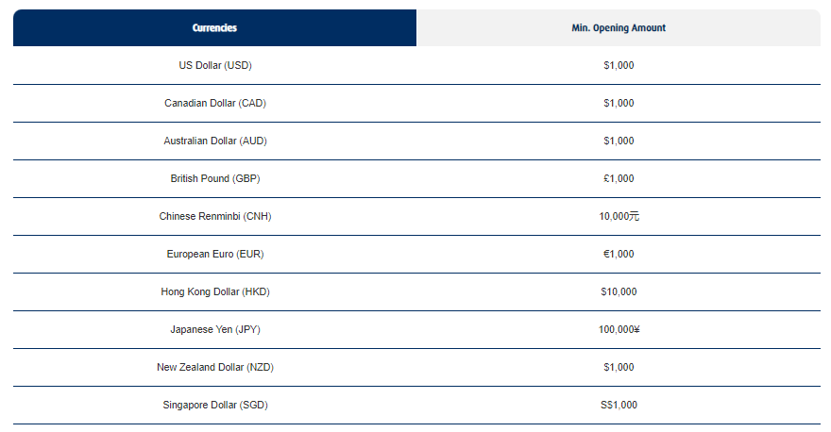 | 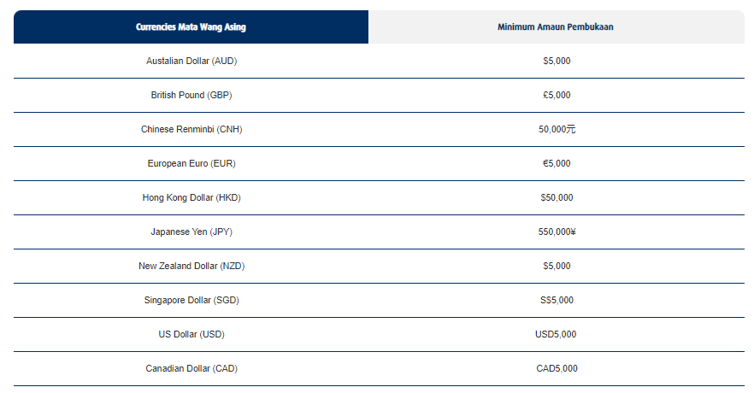 | PFS | Deposit | 1. Foreign Currency Current Account
50 | Inconsistent information displayed: 1. Fund Transfers 2. QR Pay (DuitNow, QR) to business only – Eligible Transaction (#) & Cashback Amount (RM) | 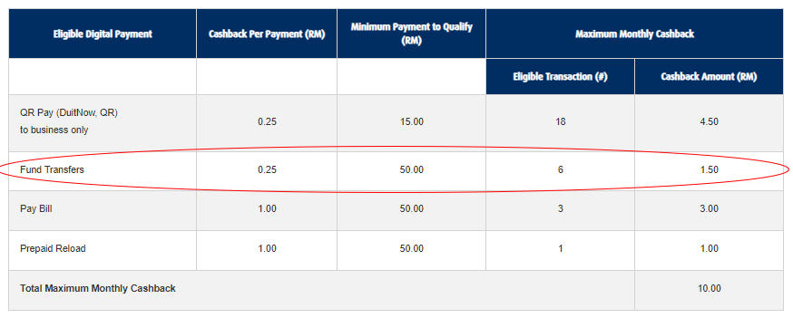 | 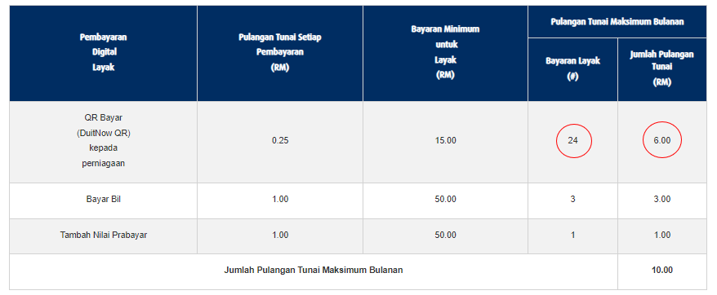 | PFS | Deposit | 1. HLB Wallet Account
51 | Inconsistent information displayed: debit card – kad debit-i | Visit any HLB branch with your parent to collect your debit card. | Sila kunjungi mana-mana cawangan HLB dengan ibu bapa anda untuk mengambil kad debit-i anda | PFS | Deposit | 1. HLB Wallet Account

